Table 1

Selected Acquisition Report (SAR)
RCS: DD-A&T(Q&A)823-468
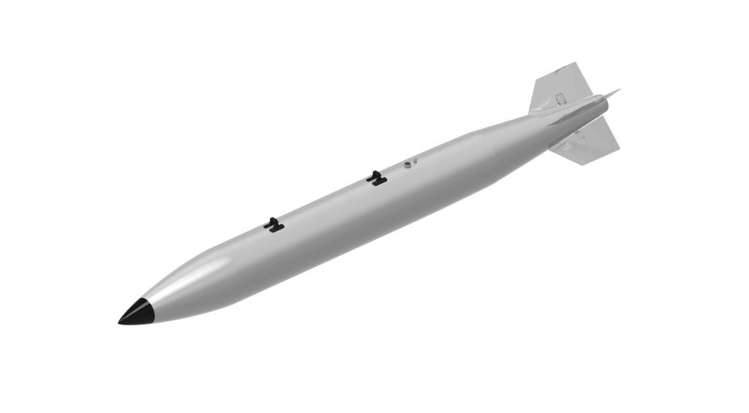
B61 Mod 12 Life Extension Program Tailkit Assembly (B61 Mod 12 LEP TKA)
As of FY 2017 President's Budget
Defense Acquisition Management Information Retrieval
(DAMIR)

Table 9
Schedule
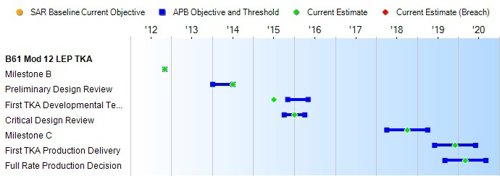
(Ch-1)
(Ch-2)
(Ch-3)
(Ch-3)
(Ch-3)
Schedule Events
Events | SAR Baseline Development Estimate | Current APB Development Objective/Threshold |  | Current Estimate
Milestone B | Nov 2012 | Nov 2012 | Nov 2012 | Nov 2012
Preliminary Design Review | Jan 2014 | Jan 2014 | Jul 2014 | Jul 2014
First TKA Developmental Test Flight | Nov 2015 | Nov 2015 | May 2016 | Jul 2015
Critical Design Review | Oct 2015 | Oct 2015 | Apr 2016 | Jan 2016
Milestone C | Apr 2018 | Apr 2018 | Apr 2019 | Oct 2018
First TKA Production Delivery | Jun 2019 | Jun 2019 | Jun 2020 | Dec 2019
Full Rate Production Decision | Sep 2019 | Sep 2019 | Sep 2020 | Mar 2020
Change Explanations
(Ch-1) The First TKA Developmental Test Flight event changed from November 2015 to July 2015 which is when the GTV 1 flight test was conducted.
(Ch-2) The CDR event changed from October 2015 to January 2016 which is when the CDR was conducted. The shift in the CDR date allowed for finalization of flight test data and requirements update.
(Ch-3) The Milestone C event changed from April 2018 to October 2018. Similarly The First TKA Production Delivery event changed from June 2019 to December 2019. The FRP Decision event shifted from September 2019 to March 2020. At Milestone B, the TKA program planned on utilizing some DOE AUR System Qualification tests to support the evaluation of the TKA reliability prior to Milestone C. Given schedule adjustments to both DOE and DoD efforts, leveraging AUR System Qualification flight test for the TKA may not be feasible. The TKA program is pursuing a plan for additional TKA flight test to ensure the TKA program can adequately address its reliability requirement prior to Milestone C. To accommodate a total of 35 TKA development flight tests, a shift in Milestone C to October 2018 is projected. Similarly, a 6 month Milestone C shift, equates to a First TKA Production Delivery and FRP Decision shift by 6 months.
Notes

Table 23
Unit Cost History
Item |  |  |  |  | Date |  |  |  |  | BY 2012 $M |  |  |  |  |  | TY $M
 |  |  |  |  |  |  |  |  |  | PAUC |  |  | APUC |  |  | PAUC |  |  | APUC

Original APB |  |  | Dec 2012 |  |  |  |  |  |  | 1.485 |  |  |  | 0.386 |  |  | 1.631 |  |  | 0.444
APB as of January 2006 |  |  | N/A |  |  |  |  |  |  | N/A |  |  |  | N/A |  |  | N/A |  |  | N/A
Revised Original APB |  |  | N/A |  |  |  |  |  |  | N/A |  |  |  | N/A |  |  | N/A |  |  | N/A
Prior APB |  |  | N/A |  |  |  |  |  |  | N/A |  |  |  | N/A |  |  | N/A |  |  | N/A
Current APB |  |  | Dec 2012 |  |  |  |  |  |  | 1.485 |  |  |  | 0.386 |  |  | 1.631 |  |  | 0.444
Prior Annual SAR |  |  | Dec 2014 |  |  |  |  |  |  | 1.458 |  |  |  | 0.386 |  |  | 1.598 |  |  | 0.440
Current Estimate |  |  | Dec 2015 |  |  |  |  |  |  | 1.342 |  |  |  | 0.370 |  |  | 1.476 |  |  | 0.437
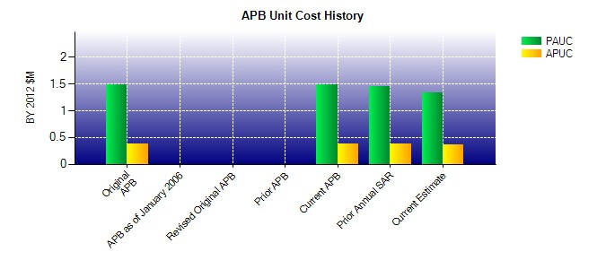
SAR Unit Cost History
Current SAR Baseline to Current Estimate (TY $M)
Initial PAUC Development Estimate | Changes |  |  |  |  |  |  |  |  |  |  |  |  |  |  |  |  | PAUC Current Estimate
 | Econ | Qty |  | Sch |  |  | Eng |  | Est |  |  | Oth | Spt |  | Total
1.631 -0.004 0.000 -0.076 0.000 -0.075 0.000 0.000 -0.155 1.476
Current SAR Baseline to Current Estimate (TY $M)
Initial APUC Development Estimate | Changes |  |  |  |  |  |  |  |  |  |  |  |  |  |  |  |  | APUC Current Estimate
 | Econ | Qty |  | Sch |  | Eng |  | Est |  |  | Oth |  | Spt |  | Total
0.444 0.011 0.000 0.000 0.000 -0.019 0.000 0.000 -0.008 0.437

